Introduction
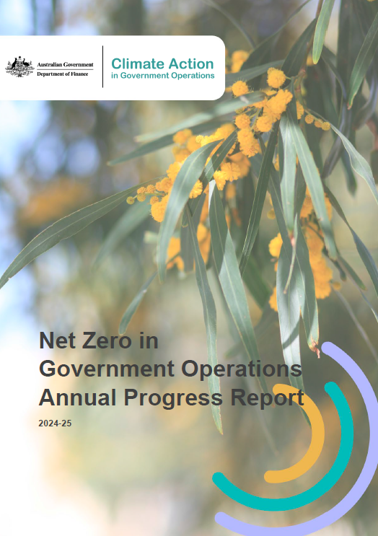
© Commonwealth of Australia 2025
2024-25 Net Zero in Government Operations Annual Progress Report Workbook

https://www.finance.gov.au/government/climate-action-government-operations/commonwealth-emission-reporting/net-zero-government-operations-annual-progress-report

The following are tables published in the 2024-45 Net Zero in Government Operations Annual Progress Report.

Index
Table 1: APS Net Zero 2030 Target emissions
Table 2: Amended data update for 2022-23 and 2023-24
Table 3:Targets and measures status update
Table 4: Emission scopes
Table 5: Commonwealth entities and companies added or removed to the 2024-25 Inventory
Table 6: Comparison of 2023-24 and 2024-25 Australian Government emissions inventory
Table 7: Australian Government Greenhouse Gas Emissions Inventory – Location-based method
Table 8: Australian Government Greenhouse Gas Emissions Inventory – Market-based method
Table 9: Electricity emissions by state/territory grid location and scope (location-based method)
Table 10: Electricity emissions and renewable percentages (market-based method)
Table 11: Natural gas emissions by state/territory and scope
Table 12: Emissions associated with solid waste disposal by waste stream or type
Table 13: Fugitive emissions from refrigerants by refrigerant type
Table 14: Fleet and other vehicle emissions by vehicle type, fuel type and scope
Table 15: Domestic commercial flight emissions by cabin class
Table 16: Domestic hire car emissions
Table 17: Domestic hotel accommodation emissions
Table 18: Emissions reported as other energy, by source, fuel type and scope
Appendix A Tables
Appendix B Tables
Appendix D Tables
2024-25 Entity Emissions: Includes for each Australian Government entity their portfolio, entity type, notes on reporting, and entity total emissions (by location-based method, market-based method and scope 1, 2 and 3).
2024-25 Portfolio Emissions: Includes the total emissions for each portfolio (by location-based method, market-based method and scope 1, 2 and 3).
IPCC Table: Includes total emissions of the reporting entities presented in a table aligned with the Intergovernmental Panel on Climate Change Reporting

